Prompt Builder
Universal Prompt Builder
This tool is designed to help you get higher quality outcome from Generative AI through higher quality prompts. Just fill in the input section by answering the questions as much as you can: it will build the prompt on the right. Then copy-paste it in your favortite AI Chatbot and submit!

Input |  |  | Prompt
 |  |  |  | You need to enter at least one task
 | Task
 |  | Start with an action verb. One task or a list of step-by-step tasks?

 | Context
 |  | Who are you, what's your goal, what's your audience? Do you have any insightful document to attach? A link to a website?

 | Role
 |  | Who is the AI? An expert in a given field? You are...

 | Examples
 |  | Give some examples of what a good answer looks like

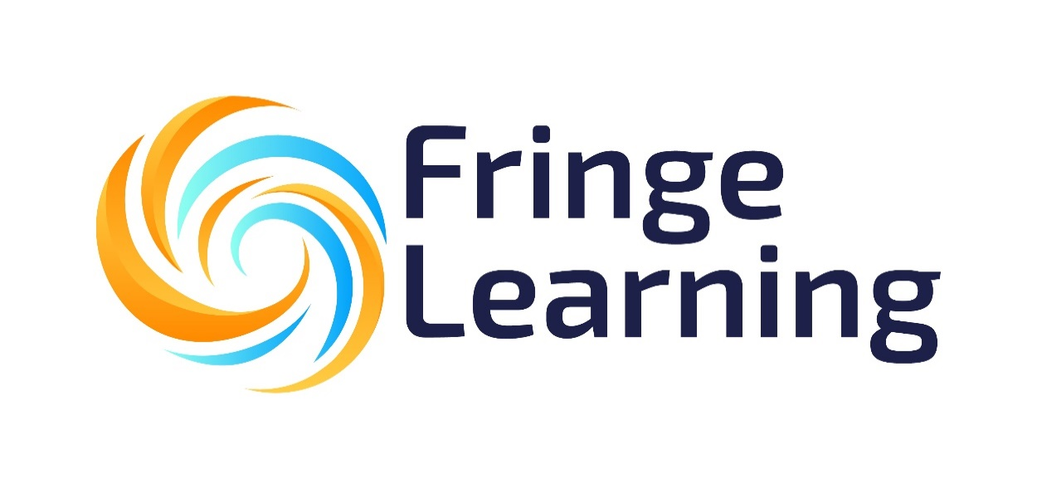
 | Format
 |  | Do you want the answer to be a paragraph, a table, a poem, a numbered list. How long? 10 words, 50, 200?

 | Requirements
 |  | What should and should not be included?

 | Tone
 |  | In which style? Friendly, formal, funny… Yoda, Larry King, Einstein…

 | Options: | Review the prompt and define any additional information needed
 |  | Chain of Thought : think step by step

